Sheet1
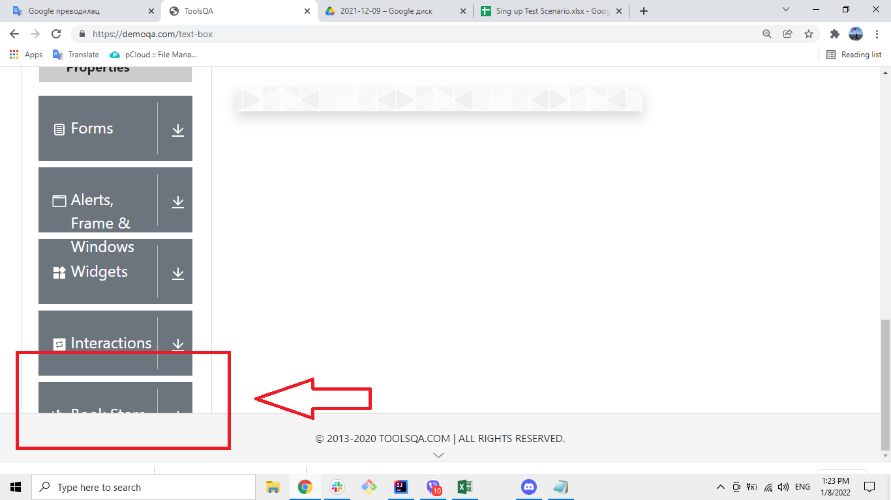
 | Summary

 | Part of the element has been cut out - not visible

 | Description

 | When the user goes to https://demoqa.com/ and clicks on Elements, Forms, Frame & Windows, Widget, Interactions or Book Store Application, a window opens with the name of the item we clicked on. This window displays a drop-down list on the left side of the page that does not display the last item completely when the user scrolls down to the end. | Potrebno je istraziti koja je rezolucija ekrana, da li se ne pojavljuje zbog rezolucije ili ce svaki put biti iseceno

 | Steps to reproduce

 | 1. Open Google Chrome browser 2. Go to URL: https://www.demoqa.com/ 3. Click on Elements, Forms, Frame & Windows, Widget, Interactions or Book Store Application 4. On clicked page scroll down to the bottom of page

 | Expected Result

 | All elements on the page are fully visible

 | Actual result

 | The last element of thedropdown list is not fully visible

 | Priority: Low
 | Severity: Low
 | Repro rate: 100%

 | Screenshot

